Bug
 |  | Bug Report
 |  | Project Name | https://the-internet.herokuapp.com/login
 |  | Client | https://the-internet.herokuapp.com/login
 |  | Created by | Vinita
 |  | Creation date | 2025-04-11
 |  | Approved Date | 2025-04-11
 |  | Approved By | Shiva Kumar MG

BUG_ID | Test Case ID | Bug Description | Steps to Reproduce | Version | Priority | Status | Screenshort
BUG_001 | TC_009 | Check alignment of fields and labels,Elements are horizontally center-aligned but Vertical spacing between elements (e.g., fields and login button) is too tight Footer is not fixed and appears slightly detached from the main layout | Open the Browser. Enter the URL: https://the-internet.herokuapp.com/login Open login page Visually inspect alignment of username, password, and login button | Version 135 | Medium | In-Progress | 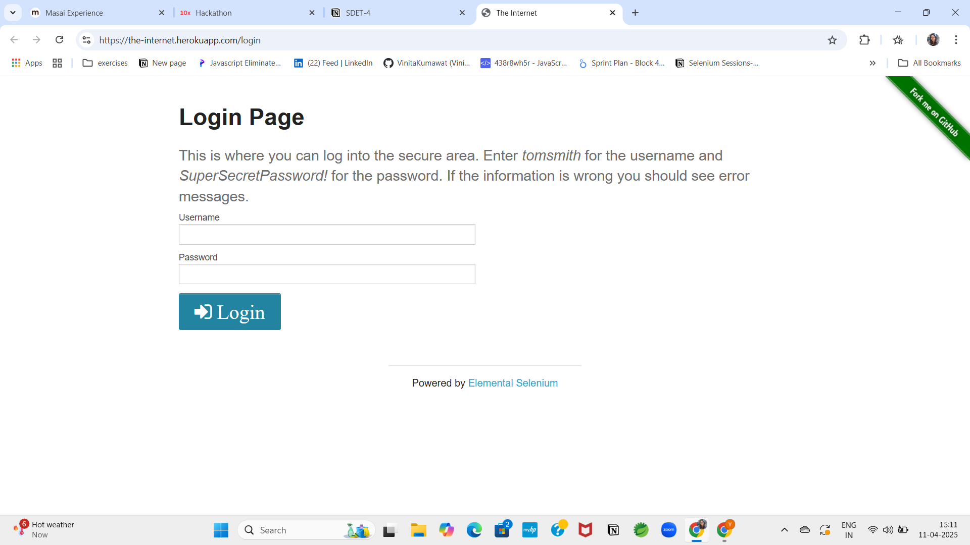
BUG_002 | TC_026 | Check alignment and spacing between form elements | Open the Browser. Enter the URL: https://the-internet.herokuapp.com/login 1. Observe alignment of input fields, labels, and button | Version 135 | Medium | In-Progress

